Sheet1
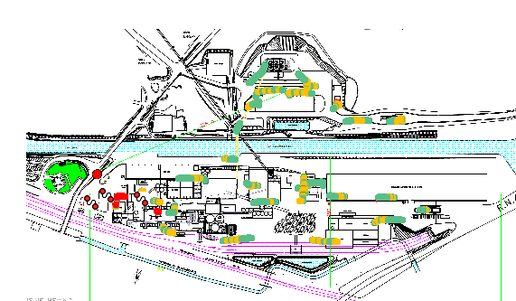
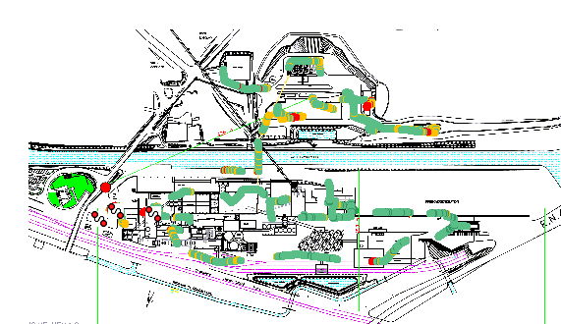
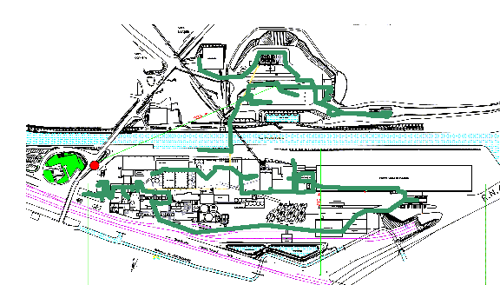
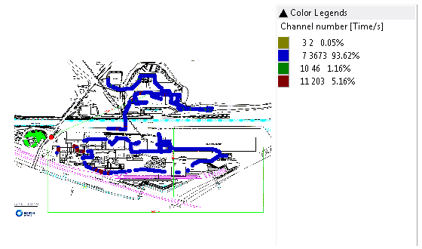
RAPPORT ORANGE GARE INDOOR
Scanner GSM 900 |  |  |  |  |  |  |  | Scanner GSM 1800
 | Rx Level | BCCH |  |  | ARFCN 900 |  |  |  | Rx Level |  | BCCH |  | ARFCN 1800
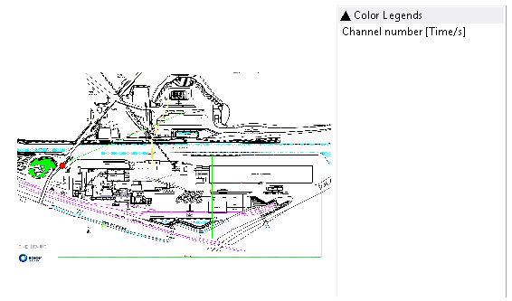
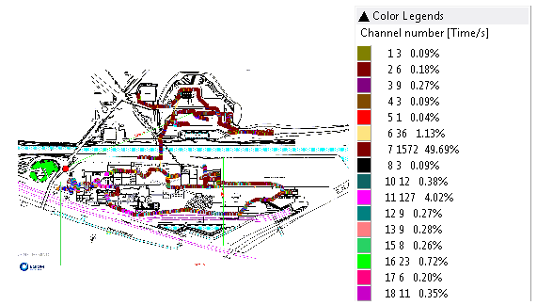
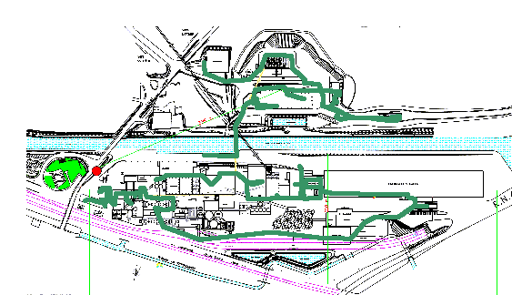
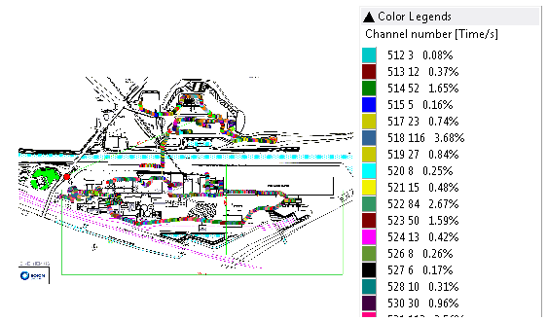

Scanner UMTS 900 3011 |  | Scanner UMTS 2100 10712 |  | Scanner UMTS 2100 10787 |  |  | Scanner UMTS 2100 10812 |  |  | Scanner UMTS 2100 10836
 | Rscp |  | RSCP |  | RSCP |  |  | RSCP |  |  | RSCP
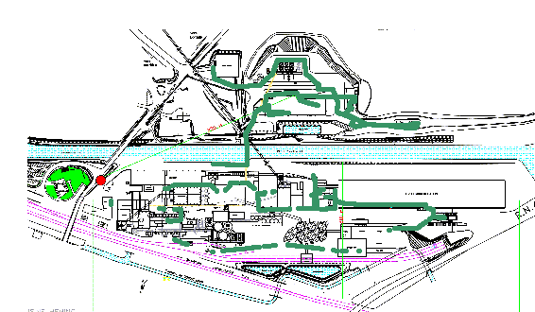
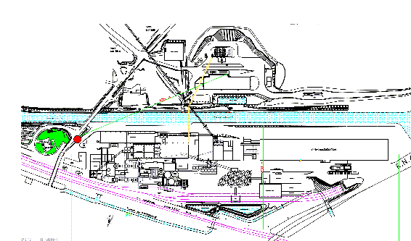
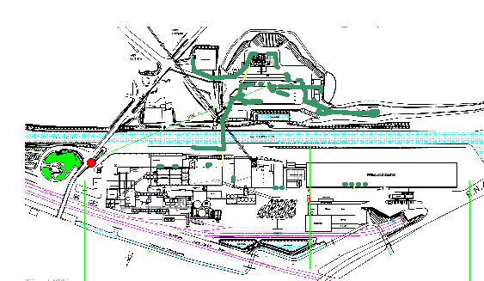
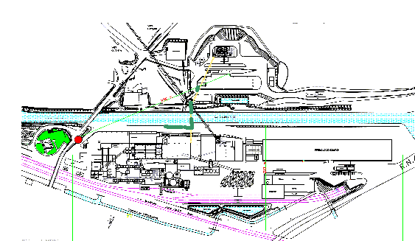
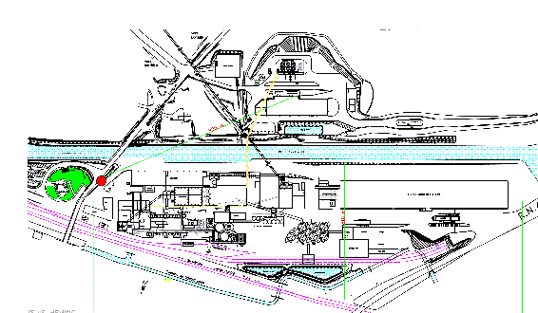
 |  |  |  |  |  |  |  |  | RSCP

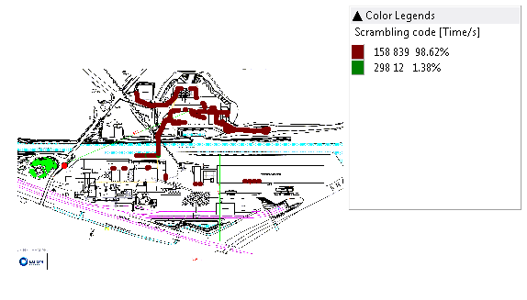
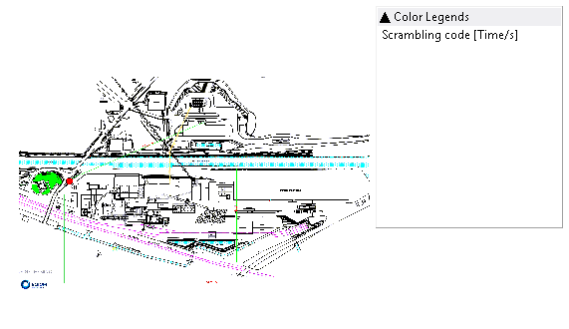
 |  |  |  | SC 10787
 |  |  |  |  |  |  |  | SC 10812 |  |  | SC 10836
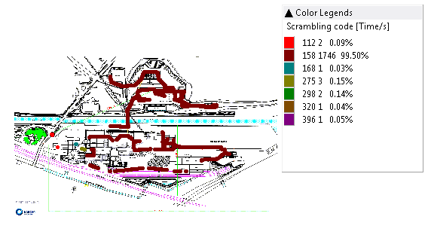
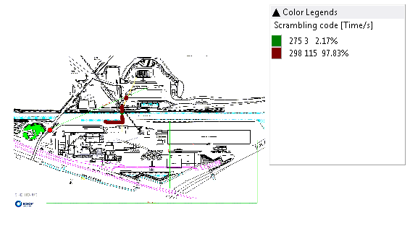
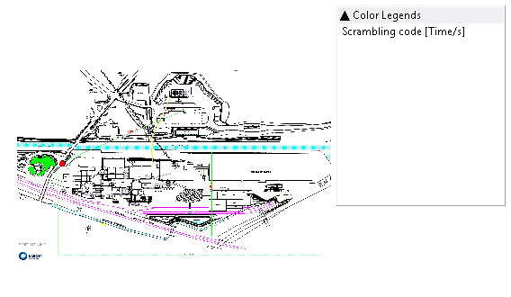
 | SC 3011 |  | SC 10712

 |  |  |  |  |  |  |  |  |  |  |  |  |  | PCI1800 1300
 |  |  |  |  |  |  |  | PCI 6400 |  | Scanner LTE 1800 1300 |  |  |  |  |  |  | PCI 2100 547
 |  |  |  |  |  |  |  |  |  |  | RSRP |  |  |  | Scanner LTE 2100 547 |  |  |  |  | PCI 2600 3000
Scanner LTE 700 9310 |  | PCI 9310 |  | Scanner LTE 800 6400 |  | PCI |  |  |  |  |  |  |  |  |  | RSRP |  | Scanner LTE 2600 3000 |  |  | RSRP
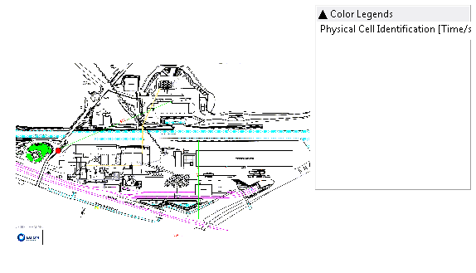
 | RSRP |  |  |  | RSRP |  |  |  |  |  |  |  |  |  |  |  |  |  | RSRP
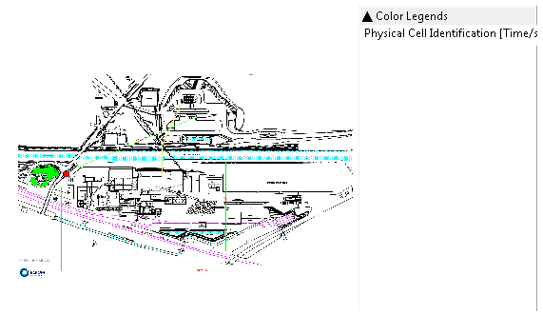
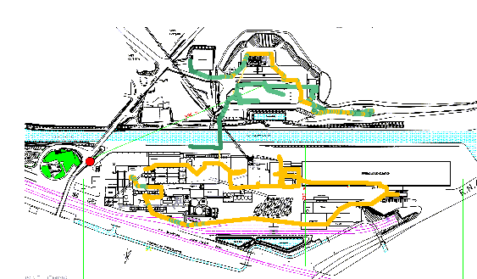
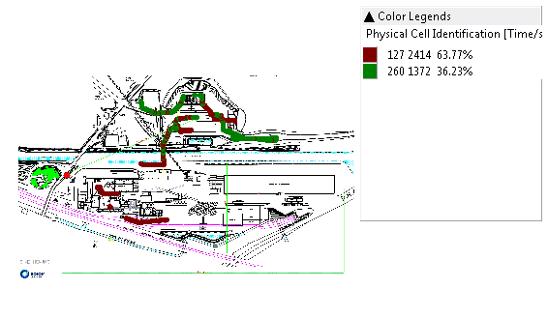
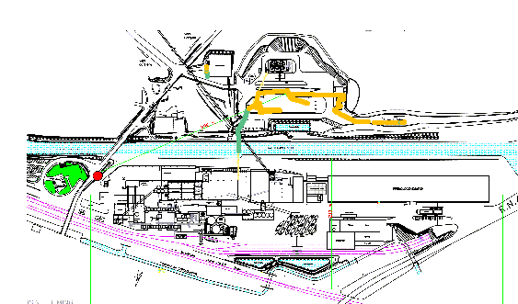
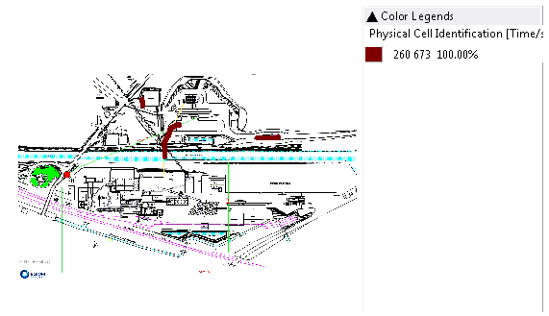

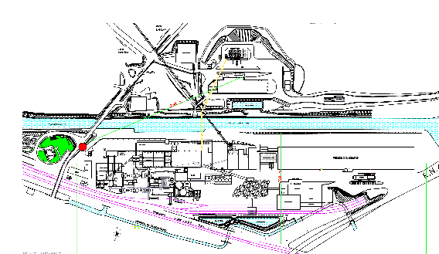


MS1
RX LEVEL |  | RX QUAL |  |  | CELL ID |  |  | SERVING BAND

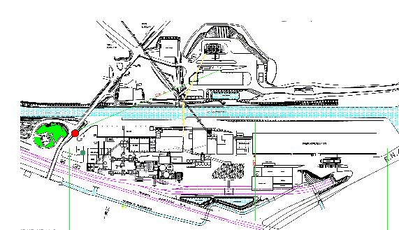
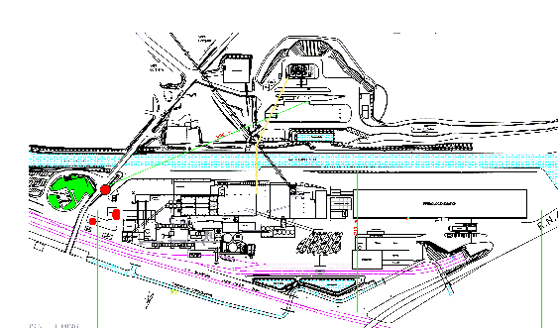
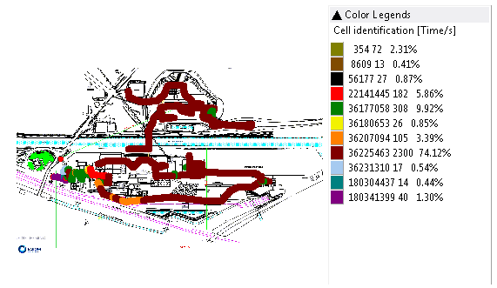
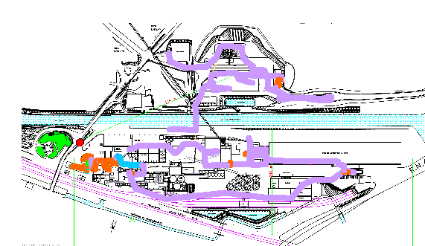

RSCP |  | EC/N0 |  |  | SC |  |  | RSRP |  | RSRQ |  | PCI

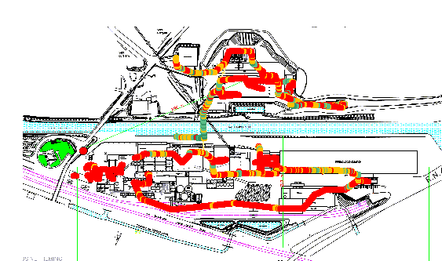
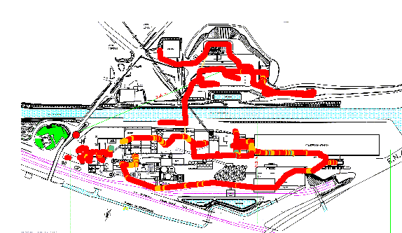
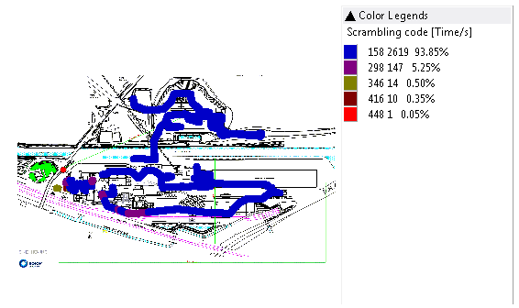
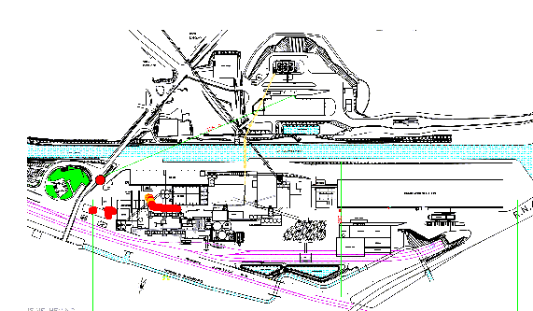
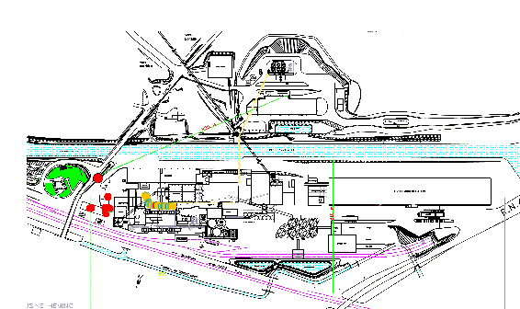
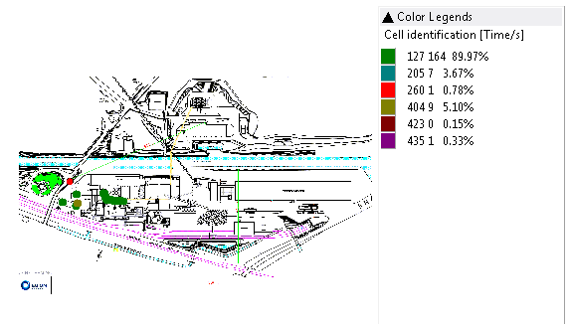

MS2

RXLEVEL |  | RXQUAL |  |  | CELL ID |  |  | SERVING BAND


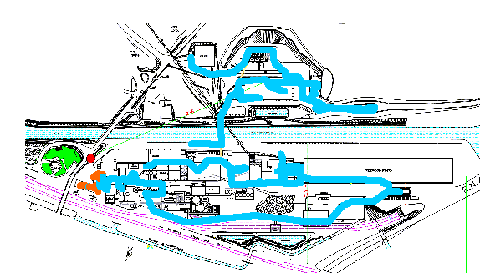

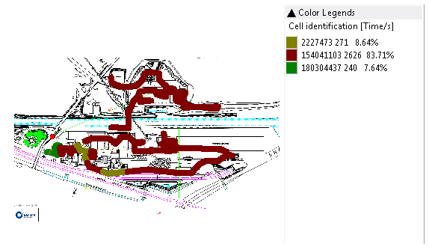

RSCP |  | EC/N0 |  |  | SC |  |  | RSRP |  | RSRQ |  | PCI

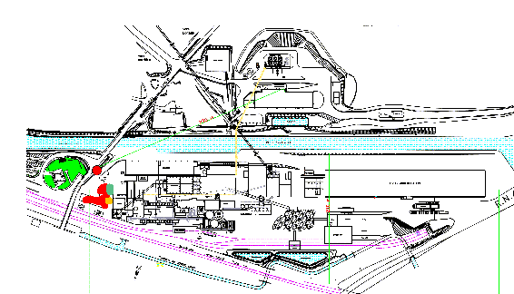
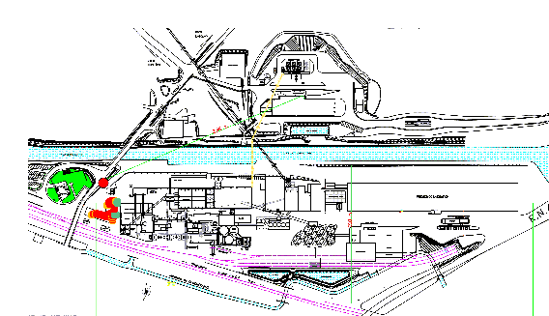
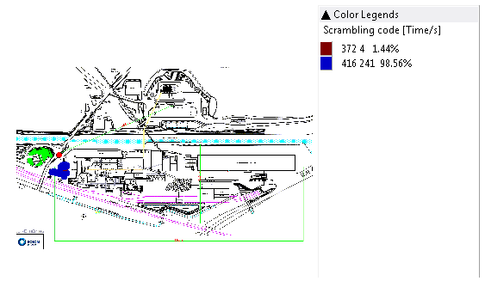
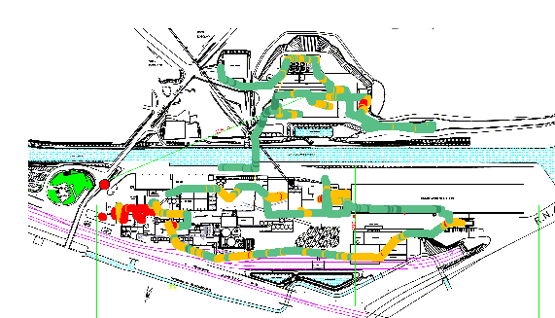
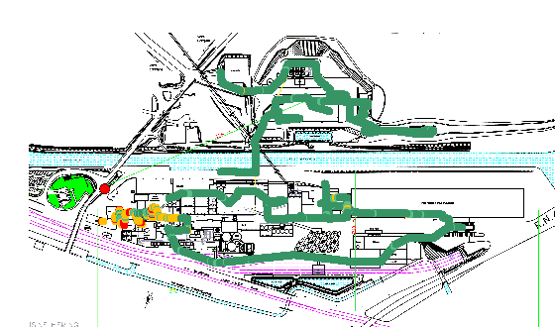
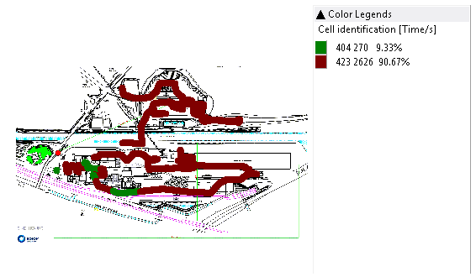

MS3

RX LEVEL |  | RX QUAL |  |  | CELL ID |  |  | SERVING BAND

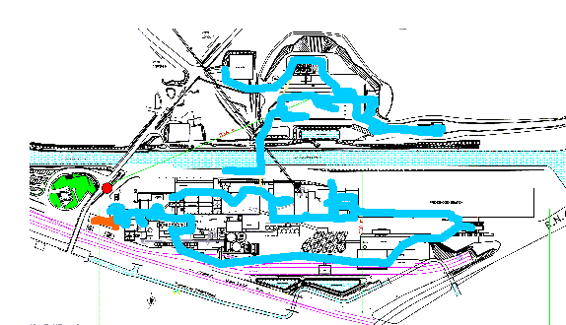
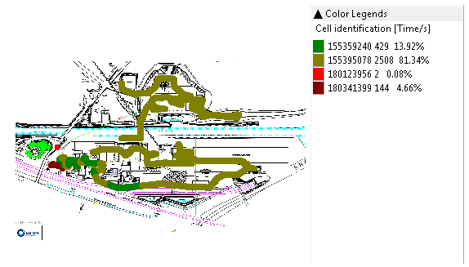
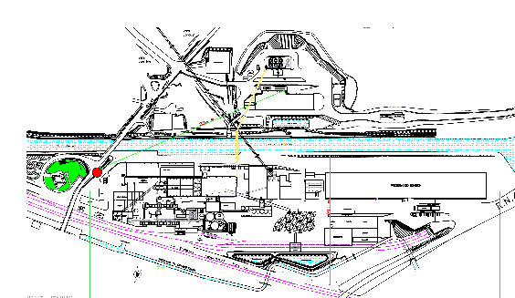

RSCP |  | EC/N0 |  |  | SC |  |  | RSRP |  | RSRQ |  | PCI

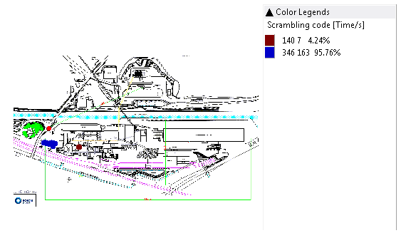
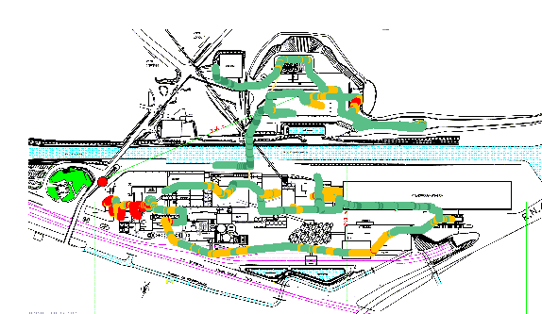
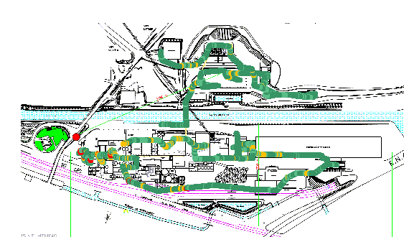
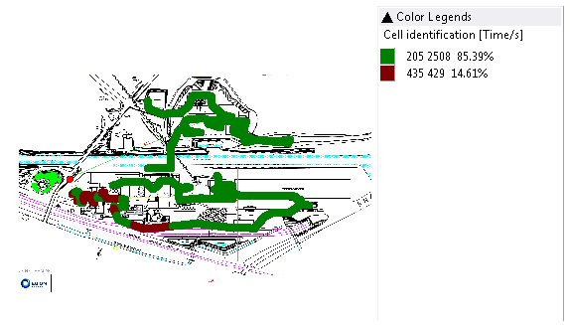



MS4

RX LEVEL |  | RX QUAL |  |  | CELL ID






RSCP |  | EC/N0 |  |  | SC
 |  |  |  |  |  |  |  | RSRP |  | RSRQ |  |  | PCI








MS5
RX LEVEL |  | RX QUAL |  |  | CELL ID |  |  | SERVING BAND






RSCP |  | EC/N0 |  |  | SC |  |  | RSRP |  | RSRQ |  |  | PCI







MS6
RX LEVEL |  | RX QUAL |  |  | CELL ID |  |  | SERVING BAND





RSCP |  | EC/N0 |  |  | SC |  |  | RSRP |  | RSRQ |  |  | PCI






FTP DL |  | FTP UL




MS7

RX LEVEL |  | RX QUAL |  | CELL ID |  |  |  | SERVING BAND





RSCP |  | EC/N0 |  | SC |  |  |  | RSRP |  | RSRQ |  | PCI






FTP DL |  | FTP UL

Sheet3



VERSION CLIENT FINAL
SERVICE VOIX
 | Niveau du signal | Qualité du signal


SERVICE DATA 3G
 | Niveau du signal | Qualité du signal



SERVICE DATA 4G
 | Niveau du signal | Qualité du signal




 | App throughput DL | App throughput UL

